terminal trans 2015-2024
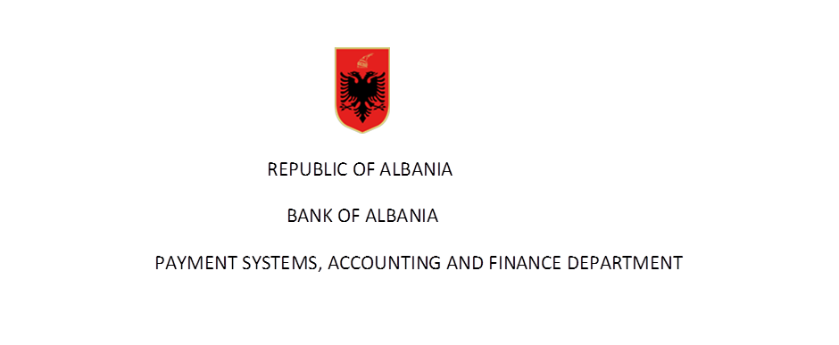

Number of issued and active cards in years

Number of cards by functions | Years |  |  |  |  |  |  |  |  | 2024
 | 2015 | 2016 | 2017 | 2018 | 2019 | 2020 | 2021 | 2022 | 2023 | Q1* | Q2 | Q3 | Q4
Cards with cash function | 940,278 | 999,313 | 1,064,725 | 1,128,026 | 1,206,410 | 1,264,220 | 1,319,635 | 1,369,838 | 1,433,151 | 1,457,322
Cards with payment function | 907,405 | 957,548 | 1,010,431 | 1,060,337 | 1,139,334 | 1,192,140 | 1,247,112 | 1,296,788 | 1,360,615 | 1,385,606
of which:
1-Cards with debit function | 826,280 | 871,611 | 914,119 | 954,902 | 1,025,559 | 1,083,243 | 1,135,191 | 1,184,622 | 1,240,966 | 1,265,035
2-Cards with credit function | 81,125 | 85,937 | 96,312 | 105,435 | 113,775 | 108,897 | 111,921 | 112,166 | 119,649 | 120,571
E money cards | 32,873 | 41,765 | 54,294 | 67,689 | 67,076 | 72,080 | 72,523 | 73,050 | 72,536 | 71,716
Total number of cards | 940,278 | 990,631 | 1,064,725 | 1,128,026 | 1,206,410 | 1,264,220 | 1,319,635 | 1,369,838 | 1,433,151 | 1,457,322 | - | - | -
of which:
Cards with combined function | 936,327 | 999,313 | 1,064,725 | 1,128,026 | 1,206,410 | 1,264,220 | 1,314,046 | 1,369,838 | 1,433,151 | 1,457,322
Data are not audited by the Bank of Albania
Source: Bank of Albania
*Revised due to an update by a bank

Number of issued and active cards by type in years and in quarterly basIs for 2024

Number of cards by type | Years |  |  |  |  |  |  |  |  | 2024
 | 2015 | 2016 | 2017 | 2018 | 2019 | 2020 | 2021 | 2022 | 2023 | Q1 | Q2 | Q3 | Q4
VISA Cards | 723,523 | 745,612 | 772,164 | 778,331 | 673,549 | 653,616 | 668,054 | 702,181 | 729,235 | 735,162
MasterCard | 202,754 | 233,340 | 269,499 | 328,935 | 510,570 | 592,878 | 638,239 | 667,632 | 703,916 | 722,160
Local Cards | 23 | 32 | 654 | 848 | 834 | 266 | 2 | 9 | - | -
American Express Cards | 13,978 | 20,329 | 22,408 | 19,912 | 21,457 | 17,460 | 13,340 | 16 | - | -
Total | 940,278 | 999,313 | 1,064,725 | 1,128,026 | 1,206,410 | 1,264,220 | 1,319,635 | 1,369,838 | 1,433,151 | 1,457,322 | - | - | -

